#1
"A"
"B"

Panel Size:3.8"*4.07" PCS Size:1.72"*0.76" (Ignore "A" & "B", they aren't match actual size)
Break-away width:8mm and no CNC Routing
1.V-CUT number total is 7.
2.We will add "MS050080-5" and "Brduino-Nano" in break-away.
3.Adding tooling and fiducial mark as below:

4mm
10.5 mm
0
 | Top Side: | Round fiducial mark with Dummy dots in square shape

 | Bottom Side: | Square fiducial mark with Dummy dots in round shape

"C"處

#2
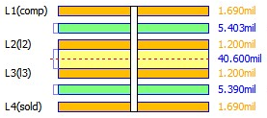

Total thickness: 58.77mil
Outer layer is 0.5oz+plating, finish copper is more than 1oz.

#3
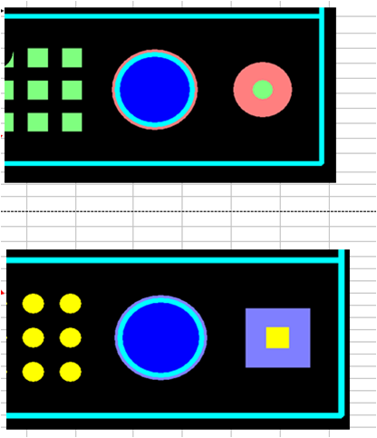

TOP

BOT

